Sheet1
 |  |  |  |  | CHILLER ve MEKANİK ROOM (Kwh)

Data Warnings

 |  | Message |  |  |  |  |  |  | Date Added
 |  | One or more gaps were detected in data used for this report. |  |  |  |  |  |  | 11/1/2023 7:14:42 PM

 |  | Usage Summary

 |  | Source | Real Energy Into the Load (kWh)
 |  |  | January 2023 |  |  | February 2023 |  | March 2022 |  |  | March 2023 |  |  | April 2022 | April 2023 | May 2022 | May 2023 | June 2022 | June 2023 | July 2022 | July 2023 | August 2022 | August 2023 | September 2022 | September 2023 | October 2022 | October 2023 | November 2022 | December 2022
 |  | CHILLER_SIM.01_EA | 18,553.96 |  |  | 16,770.16 |  | 17,566.41 |  |  | 20,344.46 |  |  | 17,914.95 | 32,834.38 | 18,549.79 | 45,457.75 | 17,964.91 | 92,923.75 | 18,414.50 | 57,025.25 | 18,576.85 | 51,556.13 | 17,975.32 | 22,760.88 | 18,578.93 | 21,019.50 | 17,971.15 | 18,576.85
 |  | CHILLER_SIM.02_EA | 21,118.50 |  |  | 22,239.58 |  | 19,985.77 |  |  | 14,008.88 |  |  | 20,391.17 | 19,301.50 | 21,113.76 | 26,343.63 | 20,450.40 | 1,365.75 | 20,962.13 | 29,072.50 | 21,144.56 | 759.25 | 20,459.88 | 43,521.50 | 21,146.93 | 60,445.88 | 20,455.14 | 21,144.56
 |  | EMCC.POMPA_ODASI | 19,312.70 |  |  | 17,288.19 |  | 18,254.56 |  |  | 16,865.22 |  |  | 18,647.57 | 15,856.88 | 19,308.37 | 17,059.47 | 18,701.73 | 16,602.63 | 19,169.71 | 16,812.13 | 19,336.53 | 16,548.81 | 18,710.40 | 16,132.13 | 19,338.70 | 15,708.91 | 18,706.06 | 19,336.53
 |  | SIM.CHILLER3 | 50,039.79 |  |  | 43,983.59 |  | 47,251.32 |  |  | 13,717.75 |  |  | 48,316.41 | 12,831.50 | 50,028.56 | 18,834.00 | 48,456.75 | 2,391.00 | 49,652.45 | 33,406.25 | 50,101.54 | 67,203.75 | 48,479.20 | 41,139.75 | 50,107.15 | 16,054.00 | 48,467.97 | 50,101.54
 |  | Total | 109,024.94 |  |  | 100,281.52 |  | 103,058.05 |  |  | 64,936.30 |  |  | 105,270.10 | 80,824.25 | 109,000.48 | 107,694.84 | 105,573.79 | 113,283.13 | 108,198.79 | 136,316.13 | 109,159.48 | 136,067.94 | 105,624.79 | 123,554.25 | 109,171.71 | 113,228.28 | 105,600.33 | 109,159.48

 |  | Relative Usage Column Chart

 |  | 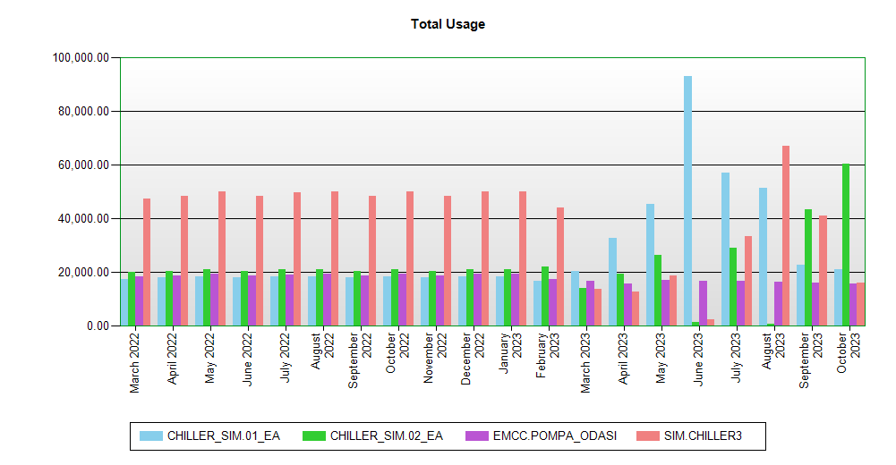

 | Interval Usage Data

 |  | Period : January 2023 Interval : Day of Month |  | CHILLER_SIM.01_EA |  |  | CHILLER_SIM.02_EA |  |  | EMCC.POMPA_ODASI |  | SIM.CHILLER3 | Interval Total
 |  | 1 |  | 599.45 |  |  | 682.31 |  |  | 623.97 |  | 1,616.72 | 3,522.46
 |  | 2 |  | 599.45 |  |  | 682.31 |  |  | 623.97 |  | 1,616.72 | 3,522.46
 |  | 3 |  | 599.45 |  |  | 682.31 |  |  | 623.97 |  | 1,616.72 | 3,522.46
 |  | 4 |  | 599.45 |  |  | 682.31 |  |  | 623.97 |  | 1,616.72 | 3,522.46
 |  | 5 |  | 599.45 |  |  | 682.31 |  |  | 623.97 |  | 1,616.72 | 3,522.46
 |  | 6 |  | 599.45 |  |  | 682.31 |  |  | 623.97 |  | 1,616.72 | 3,522.46
 |  | 7 |  | 599.45 |  |  | 682.31 |  |  | 623.97 |  | 1,616.72 | 3,522.46
 |  | 8 |  | 599.45 |  |  | 682.31 |  |  | 623.97 |  | 1,616.72 | 3,522.46
 |  | 9 |  | 599.45 |  |  | 682.31 |  |  | 623.97 |  | 1,616.72 | 3,522.46
 |  | 10 |  | 599.45 |  |  | 682.31 |  |  | 623.97 |  | 1,616.72 | 3,522.46
 |  | 11 |  | 599.45 |  |  | 682.31 |  |  | 623.97 |  | 1,616.72 | 3,522.46
 |  | 12 |  | 599.45 |  |  | 682.31 |  |  | 623.97 |  | 1,616.72 | 3,522.46
 |  | 13 |  | 595.29 |  |  | 677.57 |  |  | 619.64 |  | 1,605.49 | 3,498.00
 |  | 14 |  | 597.37 |  |  | 679.94 |  |  | 621.80 |  | 1,611.11 | 3,510.23
 |  | 15 |  | 593.21 |  |  | 675.20 |  |  | 617.47 |  | 1,599.88 | 3,485.76
 |  | 16 |  | 599.45 |  |  | 682.31 |  |  | 623.97 |  | 1,616.72 | 3,522.46
 |  | 17 |  | 599.45 |  |  | 682.31 |  |  | 623.97 |  | 1,616.72 | 3,522.46
 |  | 18 |  | 599.45 |  |  | 682.31 |  |  | 623.97 |  | 1,616.72 | 3,522.46
 |  | 19 |  | 597.37 |  |  | 679.94 |  |  | 621.80 |  | 1,611.11 | 3,510.23
 |  | 20 |  | 597.37 |  |  | 679.94 |  |  | 621.80 |  | 1,611.11 | 3,510.23
 |  | 21 |  | 599.45 |  |  | 682.31 |  |  | 623.97 |  | 1,616.72 | 3,522.46
 |  | 22 |  | 599.45 |  |  | 682.31 |  |  | 623.97 |  | 1,616.72 | 3,522.46
 |  | 23 |  | 599.45 |  |  | 682.31 |  |  | 623.97 |  | 1,616.72 | 3,522.46
 |  | 24 |  | 599.45 |  |  | 682.31 |  |  | 623.97 |  | 1,616.72 | 3,522.46
 |  | 25 |  | 599.45 |  |  | 682.31 |  |  | 623.97 |  | 1,616.72 | 3,522.46
 |  | 26 |  | 595.29 |  |  | 677.57 |  |  | 619.64 |  | 1,605.49 | 3,498.00
 |  | 27 |  | 599.45 |  |  | 682.31 |  |  | 623.97 |  | 1,616.72 | 3,522.46
 |  | 28 |  | 597.37 |  |  | 679.94 |  |  | 621.80 |  | 1,611.11 | 3,510.23
 |  | 29 |  | 593.21 |  |  | 675.20 |  |  | 617.47 |  | 1,599.88 | 3,485.76
 |  | 30 |  | 599.45 |  |  | 682.31 |  |  | 623.97 |  | 1,616.72 | 3,522.46
 |  | 31 |  | 599.45 |  |  | 682.31 |  |  | 623.97 |  | 1,616.72 | 3,522.46
 |  | Period Totals |  | 18,553.96 |  |  | 21,118.50 |  |  | 19,312.70 |  | 50,039.79

